Calculations

 | STRIP 1 | STRIP 2 | STRIP 3 | STRIP 4 | STRIP 5
AREA | 22139 | 92398 | 3029 | 10948 | 12094
MAX VALUES | 58 | 23 | 48 | 97 | 32
LEFT BOUND CONTROL | 241 | 214 | 129 | 150 | 178
RIGHT BOUND CONTROL | 290 | 250 | 234 | 270 | 159
LEFT BOUND TEST | 12 | 13 | 4 | 15 | 27
RIGHT BOUND TEST | 29 | 29 | 15 | 23 | 29

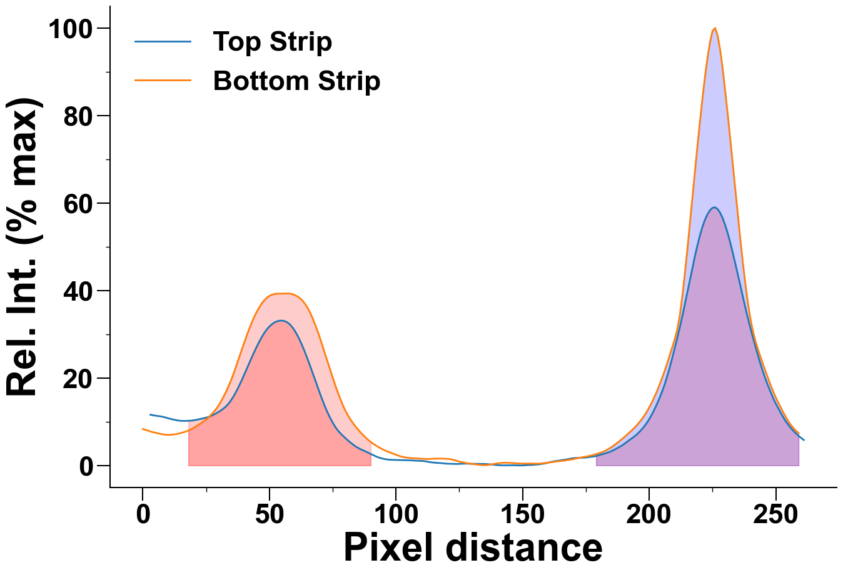
graph |  |  |  | crop

